Passing
Percent Passing | AzM2 | AASA | AASA |  | Percent Passing | AZSci | AZSci
ELA | 2021 | 2022 | 2023 | 2024 | SCIENCE | 2022 | 2023 | 2024
3rd Grade | 74% | 72% | 73% |  | 5th Grade | 62% | 62%
4th Grade | 76% | 64% | 68% |  | 8th Grade | 43% | 53%
5th Grade | 67% | 72% | 61%
6th Grade | 65% | 62% | 74%
7th Grade | 62% | 68% | 64%
8th Grade |  | 62% | 70%

Percent Passing | AzM2 | AASA | AASA
MATH | 2021 | 2022 | 2023 | 2024
3rd Grade | 72% | 69% | 65%
4th Grade | 67% | 46% | 75%
5th Grade | 60% | 62% | 68%
Union Park School Math State Testing Results
 | AzM2 | AASA | AASA
3rd Grade | 72% | 69% | 65%
4th Grade | 67% | 46% | 75%
5th Grade | 60% | 62% | 68%
6th Grade | 75% | 53% | 62%
7th Grade | 56% | 51% | 59%
8th Grade |  | 60% | 62%
6th Grade | 75% | 53% | 62%
7th Grade | 56% | 51% | 59%
8th Grade |  | 60% | 62%

Percent Passing | AzM2 | AASA | AASA
ELA Cohort Groups | 2021 | 2022 | 2023
3rd-4th |  | 72% | 68%
3rd-4th-5th | 74% | 64% | 61%
4th-5th-6th | 76% | 72% | 74%
5th-6th-7th | 67% | 62% | 64%
6th-7th-8th | 65% | 68% | 70%
7th-8th | 62% | 60%

Percent Passing | AzM2 | AASA | AASA
MATH Cohort Groups | 2021 | 2022 | 2023
3rd-4th |  | 69% | 75%
3rd-4th-5th | 72% | 46% | 68%
4th-5th-6th | 67% | 62% | 62%
5th-6th-7th | 60% | 53% | 59%
6th-7th-8th | 75% | 51% | 62%
7th-8th | 56% | 60%

2021-22 FAY
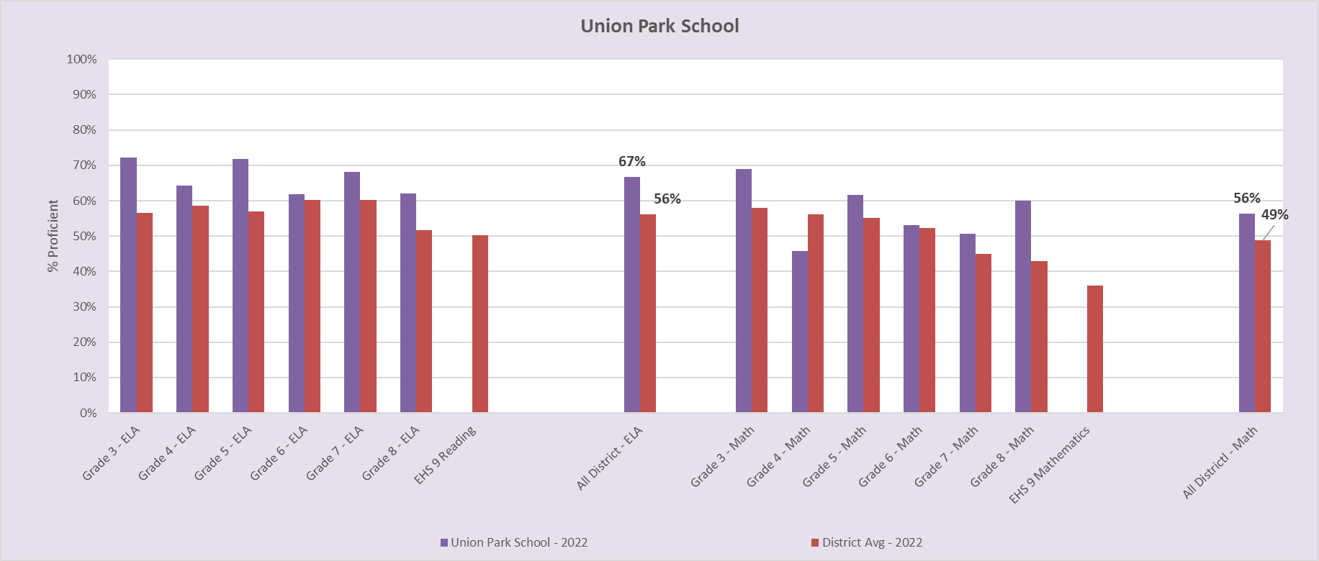
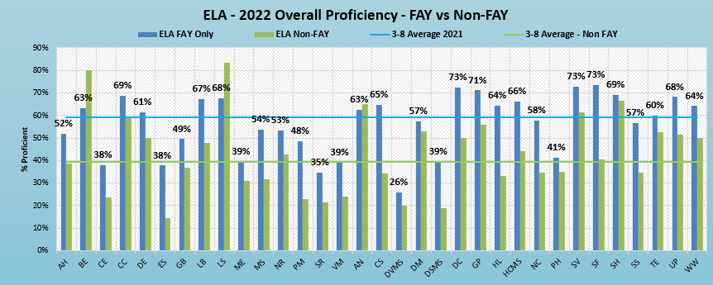
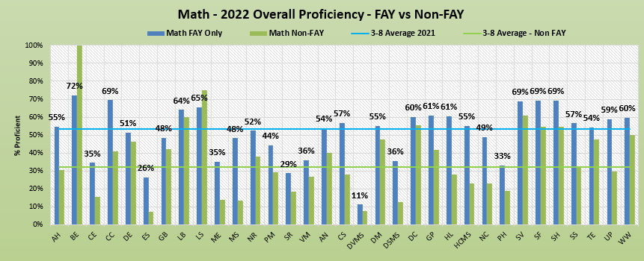
Union Park | 3rd ELA | 4th ELA | 5th ELA | 6th ELA | 7th ELA | 8th ELA | Union Park | 3rd Math | 4th Math | 5th Math | 6th Math | 7th Math | 8th Math
FAY | 73% | 65% | 73% | 64% | 70% | 63% | FAY | 69% | 47% | 64% | 55% | 54% | 64%
NON FAY | 50% | 63% | 33% | 25% | 56% | 55% | NON FAY | 50% | 38% |  | 25% | 22% | 36%

2020-21 FAY
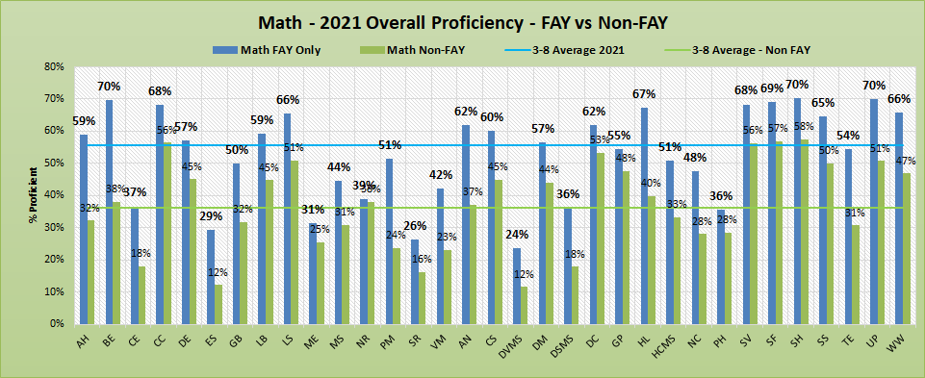
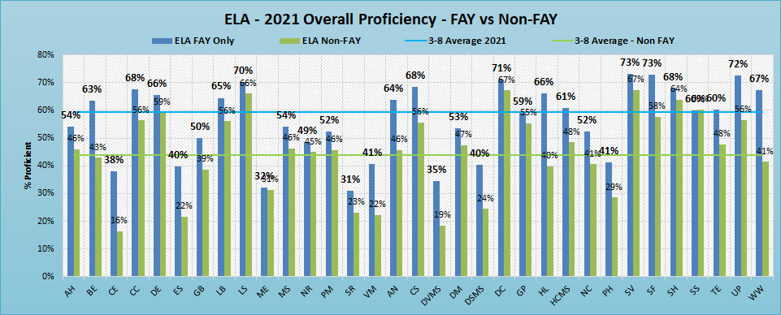
FAY vs Non-FAY ==> | Number of Non-FAY Assessments - Union Park School
 | ELA |  |  |  |  |  |  | Math
 | 3rd | 4th | 5th | 6th | 7th | 8th | Total | 3rd | 4th | 5th | 6th | 7th | 8th | Total
 | 20 | 13 | 7 | 14 | 8 | 0 | 62 | 20 | 13 | 7 | 15 | 8 | 0 | 63

Graphs
Union Park ELA State Testing Results
 | AzM2 | AASA | AASA
3rd Grade | 74% | 72% | 73%
4th Grade | 76% | 64% | 68%
5th Grade | 67% | 72% | 61%
6th Grade | 65% | 62% | 74%
7th Grade | 62% | 68% | 64%
8th Grade |  | 62% | 70%
Union Park School Math State Testing Results
 | AzM2 | AASA | AASA
3rd Grade | 72% | 69% | 65%
4th Grade | 67% | 46% | 75%
5th Grade | 60% | 62% | 68%
6th Grade | 75% | 53% | 62%
7th Grade | 56% | 51% | 59%
8th Grade |  | 60% | 62%

