AP Lang & Comp Representation
AP Classes |  |  |  | School Totals
 | Total Students | Students of Color | Representation Percentage |  | Total Students | Students of Color | Representation Percentage
2018/2019 | 76 | 7 | 9.21% | 2018/2019 | 1177 | 325 | 27.61%
2019/2020 | 95 | 14 | 14.74% | 2019/2020 | 1263 | 373 | 29.53%
2020/2021 | 72 | 12 | 16.67% | 2020/2021 | 1265 | 359 | 28.38%
2021/2022 | 112 | 25 | 22.32% | 2021/2022 | 1239 | 360 | 29.06%
2022/2023 | 124 | 31 | 25.00% | 2022/2023 | 1286 | 396 | 30.79%
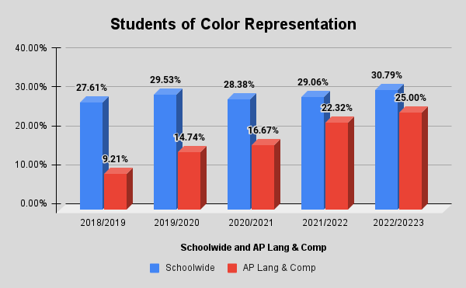

Student of Color Representation
 | Schoolwide | AP Lang & Comp
2018/2019 | 27.61% | 9.21%
2019/2020 | 29.53% | 14.74%
2020/2021 | 28.38% | 16.67%
2021/2022 | 29.06% | 22.32%
2022/20223 | 30.79% | 25%

