Rock Cycle
7
 | Rock Cycle

 | Student Friendly Objective: |  |  |  | 7th Grade Next Generation Science Standard
 | Students will create a model illustrating the rock cycle. Using that model, students will describe the process and energy changes involved in the transition of rock from one type to another. |  |  |  | MS-ESS 2-1: Develop a model to describe the cycling of Earth's materials and the flow of energy that drives this process. Clarification Statement: Emphasis is on the processes of melting, crystalization, weathering, deformation and sedimentation, which act together to form minerals and rocks through the cycling of earths material. Assessment Boundary: Assessment does not include the identification and naming of specific minerals.
 | 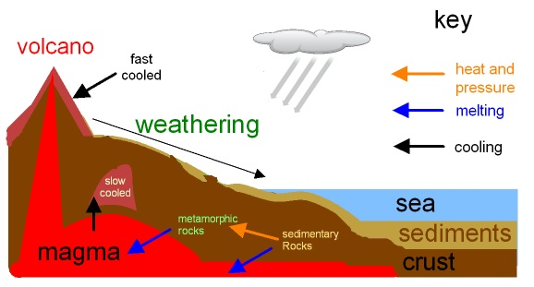

 |  | Component Skills |  |  |  |  | Do I have them?
 | 1 | Identify the three main types of rocks found on Earth
 | 2 | Explain the conditions that create Igneous Rock
 | 3 | Explain the conditions that create Sedimentary Rock
 | 4 | Explain the conditions that create Metamorphic Rock
 | 5 | Describe how one rock type can transform into another
 | 6 | Create a model of the rock cycle with appropriate labels and descriptions
 | 7 | Students will be able to explain the energy that contributes to the process in the rock cycle
 | 8 | Application to unknown and unrelated situations with provided background knowledge.
 | 9
 | 10

 | Vocabulary
 | I can recognize/understand/use these vocabulary words:
 | Crystallization |  |  | Convection | Metamorphic Rock | Deformation
 | Magma/Lava |  |  | Sedimentary Rock | Cementation | Weathering
 | Intrusive |  |  | Extrusive | Compacting | Cooling
 | Igneous Rock |  |  | Transition | Sediment | Deposit

 | Assessment Scores
 | CFA |  |  |  |  |  | Score
 | Reflection: |  | I did well on... |  | I still need help with...

 | CSA
 | Reflection: |  | I did well on... |  | I still need help with...

Photosynthesis
Photosynthesis

Student Friendly Objective: |  |  |  | 7th Grade Next Generation Science Standard
Students will create a model illustrating the process of photosynthesis. Using that model, students will describe the process of photosynthesis and explain why photosynthesis is vitally important to the entire ecosystem. |  |  |  | MS-LS1-6: Construct a scientific explanation based on evidence for the role of photosynthesis in the cycling of matter and flow of energy into and out of organisms. Clarification statement: Emphasis is on tracing movement of matter and flow of energy. Assessment boundary: Assessment does not include the biochemical mechanisms of photosynthesis.
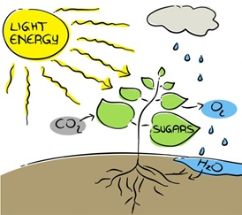

 | Component Skills |  |  |  |  | Can I do this?
1 | Define reactant and products
2
3 | Identify all of the reactants of photosynthesis
4 | Identify all of the products of photosynthesis
5 | I can create my own model of photosynthesis and label all reactants and products
6 | I can describe the process of photosynthesis including the flow of energy
7 | I can describe the importance of photosynthesis to all living organisms on Earth
8 | Identify the cellualr oganelles important to the process of photosynthesis
9 | Explain the role or function of organelles in the process of photosynthesis

Vocabulary
I can recognize/understand/use these vocabulary words:
Product |  |  | Oxygen | Photosynthesis | Water
Reactant |  |  | Energy (Light, Chemical) | Organism | Ecosystem
Carbon Dioxide |  |  | Glucose | Choloroplast | Cell Wall
Mitochondria |  |  | Vacuole | Organelle

Assessment Scores
CFA |  |  |  |  |  | Score
Reflection: |  | I did well on... |  | I still need help with...

CSA
Reflection: |  | I did well on... |  | I still need help with...

Atomic Structure
Atomic Structure

Student Friendly Objective: |  |  |  | 7th Grade Next Generation Science Standard
When provided the number of Protons, Neutrons, and Electrons,students will be able to accurately construct a model of the atom. |  |  |  | MS-PS1-1: Develop models to describe the atomic composition of simple molecules and extended structure. Clarification Statement: Emphasis is on developing models of molecules that vary in complexity. Examples of simple molecules could include ammonia and methanol. Examples of extended structures couldinclude sodium chloride or diamonds. Examples of molecular-level models could include drawings, 3D ball and stick structures, or computer representations showing different molecules with different types of atoms. Assessment Boundary: Assessment does not include valence electrons and bonding energy, discussing the ionic nature of subunits of complex structures, or a complete description of all individual atoms in a complex molecule or extended structure.
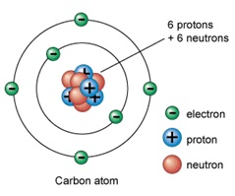

 | Component Skills |  |  |  |  | Can I do this?
1 | Identify the location of the subatomic particles. (Protons, Neutrons, and Electrons)
2 | Identify the charge of each subatomic particle.
3 | identify the location of the Electron Cloud.
4 | Identify the location of the Nucleus.
5 | Students will be able to accurately construct a model of an element's atom
6 | Determining the number of Protons, Neutrons, & Electrons and explain how you know
7
8
9
10

Vocabulary
I can recognize/understand/use these vocabulary words:
Proton |  |  | Neutron | Electron | Nucleus
Electron Cloud |  |  | Subatomic Particle | Positive | Negative
Neutral |  |  | Atom | Orbit | Charge
Model |  |  | Element

Assessment Scores
CFA |  |  |  |  |  | Score
Reflection: |  | I did well on... |  | I still need help with...

CSA
Reflection: |  | I did well on... |  | I still need help with...

States of Matter
States of Matter

Student Friendly Objective: |  |  |  | 7th Grade Next Generation Science Standard
Students will create a model of the molecules in each state of matter. Using the model, students will describe the molecular motion of each state of matter and explain how energy changes cause matter to change from one state to another. |  |  |  | MS-PS1-4: Develop a model that predicts and describes changes in particle motion, temperature and state of a pure substance when thermal energy is added or removed. Clarification Statement: Emphasis is on qualitative molecular-level models of solids, liquids, and gases to show that adding or removing thermal energy increases or decreases kinetic energy of the particles until a change of state occurs. Examples of models could include drawings and diagrams. Examples of particles could include molecules or inert atoms. Examples of pure substances could include water, carbon dioxide, and helium.
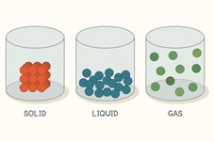

 | Component Skills |  |  |  |  | Can I do this?
1 | Create a model of each state of matter
2 | Describe the molecular motion of each state of matter
3 | Describe the physical properties of each state of matter in a container
4 | Explain the relationship between thermal and kinetic energy
5 | Explain the role of thermal and kinetic energy in the changing of states of matter
6 | Describe how the changes of states of matter can be applied to real life phenomena (water cycle, rock cycle, photosynthesis)
7
8
9
10
11
12
13

Vocabulary
I can recognize/understand/use these vocabulary words:
Gas |  |  | Solid | Liquid | Vibrate
Molecules |  |  | Arrangement | Thermal Energy | State
Matter |  |  | Atom | Kinetic Energy | Collide
Evaporation |  |  | Condensation | Molecular Properties | Physical Properties

Assessment Scores
CFA |  |  |  |  |  | Score
Reflection: |  | I did well on... |  | I still need help with...

CSA
Reflection: |  | I did well on... |  | I still need help with...

Law of Conservation
Law of Conservation of Mass

Student Friendly Objective: |  |  |  | 7th Grade Next Generation Science Standard
Students will use the Law of Conservation of Mass to identify correct and incorrect chemical equations. Additionally, students will determine the need for and experiment to occur in an open or closed systerm in order to demonstrate the Law of Conservation of Mass. |  |  |  | MS-PS1-2: Analyze and interpret data on the properties of substances before and after the substances interact to determine if a chemical reaction has occurred. [Clarification Statement: Examples of reactions could include burning sugar or steel wool, fat reacting with sodium hydroxide, and mixing zinc with hydrogen chloride.] [Assessment boundary: Assessment is limited to analysis of the following properties: density, melting point, boiling point, solubility, flammability, and odor.] MS-PS1-5: Develop and use a model to describe how the total number of atoms does not change in a chemical reaction and thus mass is conserved. [Clarification Statement: Emphasis is on law of conservation of matter and on physical models or drawings, including digital forms, that represent atoms.] [Assessment Boundary: Assessment does not include the use of atomic masses, balancing symbolic equations, or intermolecular forces.]
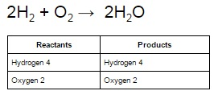 

 | Component Skills |  |  |  |  | Can I do this?
1 | Describe the Law of Conservation of Mass
2 | Identify subscript and coefficient
3 | Identify reactants and products in a chemical equation
4 | Identify an open and closed system
5 | Decide whether a chemical equation is balanced
6 | Use the coefficient and subscripts to help identify the number of atoms in a chemical equation
7 | In a given scenario students will determin the appropriate system (open or closed) and defend their answer
8 | Application to unknown and unrelated situations with provided background knowledge.
9
10
11
12
13

Vocabulary
I can recognize/understand/use these vocabulary words:
Reactant |  |  | Product | Coefficient | Subscript
Conservation |  |  | Mass | Open System | Closed System
Experiment |  |  | Law of Conservation of Mass | Balanced | Atoms
Chemical Equation |  |  | Chemical Reaction | Law

Assessment Scores

CFA |  |  |  |  |  | Score
Reflection: |  | I did well on... |  | I still need help with...

CSA
Reflection: |  | I did well on... |  | I still need help with...

