ELA - Subgroups
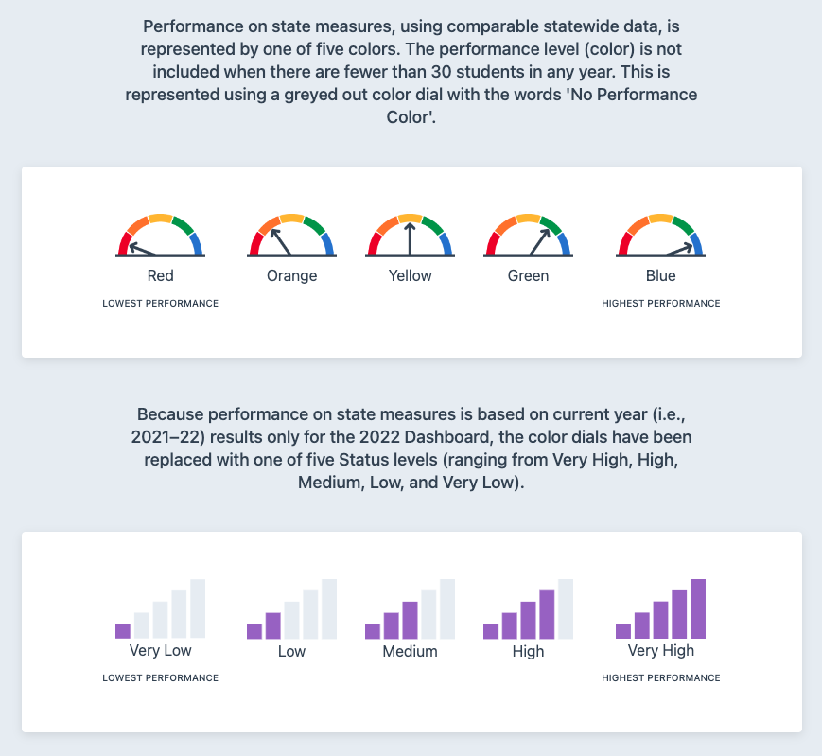
English Language Arts
 |  | 2022-2023 | 2021-2022 | 2018-2019 | 2017-2018 | 2016-2017
Reagan All Students | Performance Level | Green | Medium | Yellow | Green | Yellow
 | Points from Standard | 9.8 | -1.9 | 3.1 | 5.2 | -4.4
 | Change from previous year | Increased 11.8 | n/a | Maintained -2.1 | Increased 9.6 | Declined 5.9
State All Students | Performance Level | Orange | Low | Green | Orange | Orange
 | Points from Standard | -13.6 | -12.2 | 2.5 | -6 | -17
 | Change from previous year | Maintained 1.4 | n/a | Increased 3.7 | Maintained 2.2 | Maintained -0.5

Reagan Hispanic | Performance Level | Green | Low | Yellow | Green | Orange
 | Points from Standard | 5.9 | -5.8 | -2.8 | 4.1 | -9.2
 | Change from previous year | Increased 11.7 | n/a | Declined 6.8 | Increased 13.3 | Declined 5.9
State Hispanic | Performance Level | Orange | Low | Yellow | Yellow | Orange
 | Points from Standard | -40.2 | -38.6 | -26.6 | -31.3 | -41.3
 | Change from previous year | Maintained 1.7 | n/a | Increased 4.5 | Increased 3.2 | Maintained -0.6

Reagan English Learners | Performance Level | Orange | Low | Yellow | Orange | Orange
 | Points from Standard | -30.7 | -33.5 | -22.4 | -29.5 | -31.3
 | Change from previous year | Maintained 2.9 | n/a | Increased 7.2 | Maintained 1.8 | Declined 8.3
State English Learners | Performance Level | Orange | Low | Yellow | Yellow | Orange
 | Points from Standard | -67.7 | -61.2 | -45.1 | -47.1 | -50.8
 | Change from previous year | Declined 6.5 | n/a | Increased 3.1 | Increased 3.3 | Maintained -1.6

Reagan Socioeconomically Disadvantage | Performance Level | Yellow | Low | Orange | Green | Orange
 | Points from Standard | -6.4 | -15.5 | -8.9 | -4.4 | -13.9
 | Change from previous year | Increased 9.1 | n/a | Declined 4.5 | Increased 9.6 | Declined 8.2
State Socioeconomically Disadvantage | Performance Level | Orange | Low | Yellow | Yellow | Orange
 | Points from Standard | -42.6 | -41.4 | -30.1 | -34.7 | -45.9
 | Change from previous year | Maintained 1.2 | n/a | Increased 4.4 | Increased 4 | Maintained -1.3
 |  |  |  |  |  | me at me dot com
Reagan Students w/ Disabilities not considered a student group on CA dashboard* | Performance Level | n/a | n/a | n/a | n/a | n/a
 | Points from Standard | -104.5 | -93 | -96.8 | -99.4 | -92.1
 | Change from previous year | Declined 11..5 | n/a | Maintained 2.5 | Declined 7.2 | Declined 30.5
State Students w/ Disabilities | Performance Level | Red | Very Low | Orange | Red | Red
 | Points from Standard | -96.3 | -97.3 | -88.1 | -95.5 | -104.7
 | Change from previous year | Maintained 1.8 | n/a | Increased 7.9 | Maintained 2.1 | Maintained -2.5

Legend | Green - Above state
 | Gray/White - consistent with state
 | Yellow - Below state

