Trend Data
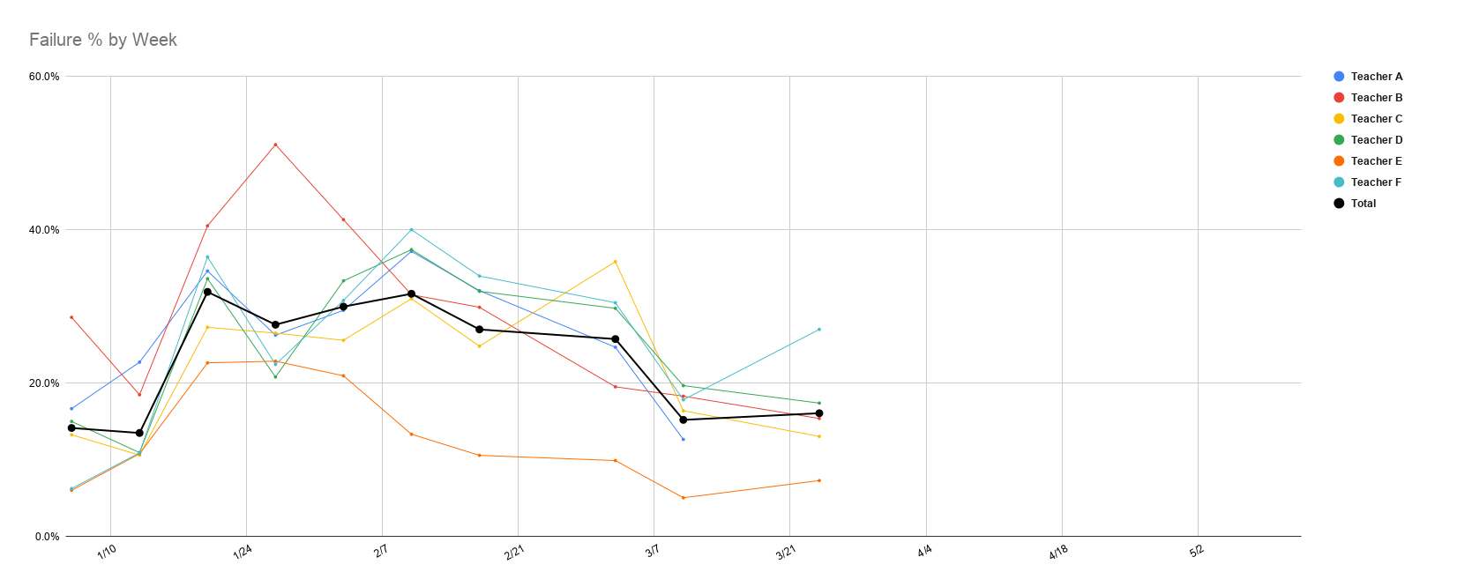
 | 2021-01-06 | 2021-01-13 | 2021-01-20 | 2021-01-27 | 2021-02-03 | 2021-02-10 | 2021-02-17 | 2021-03-03 | 2021-03-10 | 2021-03-24 | 2021-03-31 | 2021-04-07 | 2021-04-14 | 2021-04-28 | 2021-05-05 | 2021-05-12
Teacher A | 16.7% | 22.7% | 34.6% | 26.3% | #REF! | 37.2% | 32.1% | 24.7% | #REF! | #REF! | #REF! | #REF! | #REF! | #REF! | #REF! | #REF! | /
Teacher B | 28.6% | 18.5% | 40.5% | 51.1% | #REF! | 31.5% | 29.9% | 19.5% | #REF! | #REF! | #REF! | #REF! | #REF! | #REF! | #REF! | #REF!
Teacher C | 13.3% | 10.6% | 27.3% | 26.5% | #REF! | 31.0% | 24.8% | 35.8% | #REF! | #REF! | #REF! | #REF! | #REF! | #REF! | #REF! | #REF!
Teacher D | 15.0% | 10.9% | 33.6% | 20.8% | #REF! | 37.4% | 32.0% | 29.8% | #REF! | #REF! | #REF! | #REF! | #REF! | #REF! | #REF! | #REF!
Teacher E | 6.0% | 10.8% | 22.6% | 22.9% | #REF! | 13.3% | 10.6% | 9.9% | #REF! | #REF! | #REF! | #REF! | #REF! | #REF! | #REF! | #REF!
Teacher F | 6.3% | 10.9% | 36.4% | 22.4% | #REF! | 40.0% | 34.0% | 30.5% | #REF! | #REF! | #REF! | #REF! | #REF! | #REF! | #REF! | #REF!
 |  |  | #DIV/0! | #DIV/0! | #REF! | #DIV/0! | #DIV/0! | #DIV/0! | #REF! | #REF! | #REF! | #REF! | #REF! | #REF! | #REF! | #REF!
Total | 14.1% | 13.5% | 31.9% | 27.6% | #REF! | 31.6% | 27.0% | 25.7% | #REF! | #REF! | #REF! | #REF! | #REF! | #REF! | #REF! | #REF!

