READ FIRST
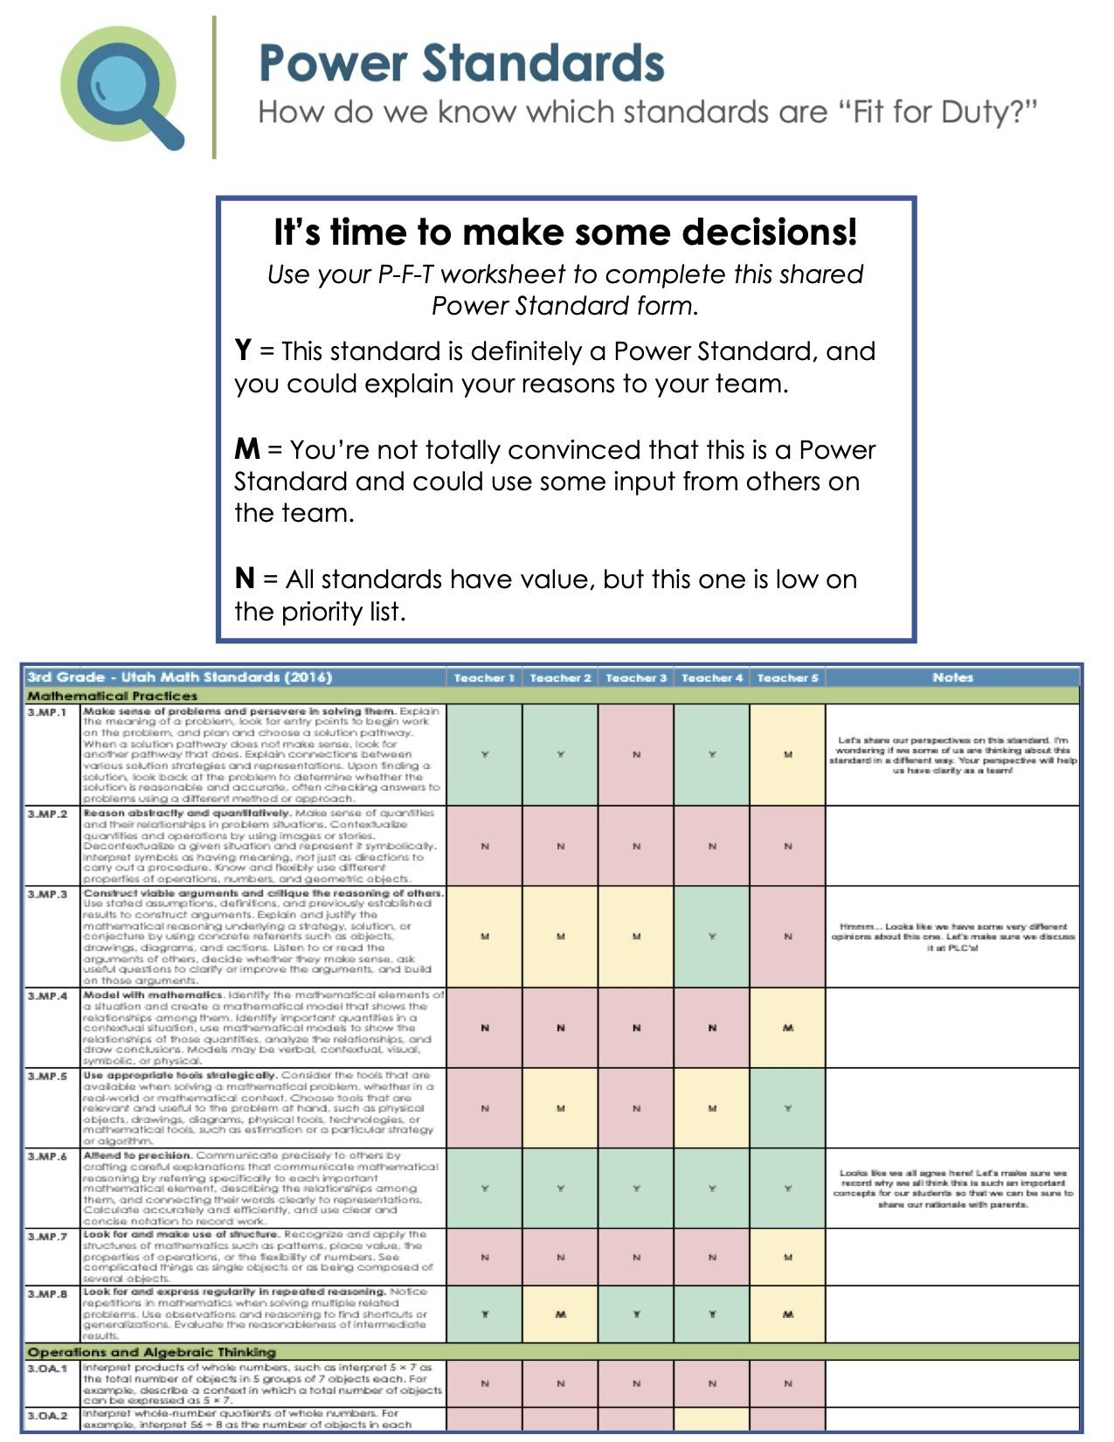
SOME THINGS TO CONSIDER:

Commitment - Use this form to begin the process of identifying the power standards that your team will focus on next year. Remember, the standards that you identify should be those that you are committed to CONSTANTLY, CONSISTENTLY, and RELENTLESSLY monitor for progress toward mastery.

Teacher Judgement - Call on the knowledge, wisdom, and experience of your team members to know what your students need to learn most.

Large Scale Assessments - Have you considered standards that are highly tested on state assessments, district assessments, and in your own curriculum?

2nd- ELA
2nd Grade - Common Core Language Arts |  | Haslam | Teacher 2 | Teacher 3 | Teacher 4 | Teacher 5 | Notes
Reading Literature
 | Key Ideas and Details
RL.2.1 | Ask and answer such questions as who, what, where, when, why, and how to demonstrate understanding of key details in a text. | Y | Y | Y | Y | Y | POWER (main comprehension)
RL.2.2 | Recount stories, including fables and folktales from diverse cultures, and determine their central message, lesson, or moral. | M | y | M | Y | M | supporting standard
RL.2.3 | Describe how characters in a story respond to major events and challenges. | M | m | M | M | M | Supporting standard to previous 2 standards.
 | Craft & Structure
RL.2.4 | Describe how words and phrases (e.g., regular beats, alliteration, rhymes, repeated lines) supply rhythm and meaning in a story, poem, or song. | M | m | N | N | N | Supporting but not essential (we are on the fence)
RL.2.5 | Describe the overall structure of a story, including describing how the beginning introduces the story and the ending concludes the action. | Y | m | Y | M | Y | On the fence with this one - it is essential but is also included within other standards.
RL.2.6 | Acknowledge differences in the points of view of characters, including by speaking in a different voice for each character when reading dialogue aloud. | Y | y | M | M | Y | This standard is more supporting of other standards
 | Integration of Knowledge and Ideas
RL.2.7 | Use information gained from the illustrations and words in a print or digital text to demonstrate understanding of its characters, setting, or plot. | Y | m | M | M | Y | Supports standard about answering questions/comprehension.
RL.2.9 | Compare and contrast two or more versions of the same story (e.g., Cinderella stories) by different authors or from different cultures. | M | y | M | M | M | Supporting not essential.
 | Range of Reading and Level of Text Complexity
RL.2.10 | By the end of the year, read and comprehend literature, including stories and poetry, in the grades 2-3 text complexity band proficiently, with scaffolding as needed at the high end of the range (e.g., shared reading, interactive read-alouds, and guided reading). | Y | y | Y | Y | Y | POWER
Reading Informational
 | Key Ideas and Details
RI.2.1 | Ask and answer such questions as who, what, where, when, why, and how to demonstrate understanding of key details in a text. | Y | y | Y | Y | Y | POWER
RI.2.2 | Identify the main topic of a multi-paragraph text as well as the focus of specific paragraphs within the text. | Y | y | Y | Y | Y | POWER
RI.2.3 | Describe the connection between a series of historical events, scientific ideas or concepts, or steps in technical procedures in a text. | M | y | M | M | M | Supporting comprehension standard.
 | Craft & Structure
RI.2.4 | Determine the meaning of words and phrases in a text relevant to a grade 2 topic or subject area. | Y | y | Y | M | Y | POWER (essential for understanding and comprehension)
RI.2.5 | Know and use various text features (e.g., captions, bold print, subheadings, glossaries, indexes, electronic menus, icons) to locate key facts or information in a text efficiently. | M | y | M | M | Y | Supporting
RI.2.6 | Identify the main purpose of a text, including what the author wants to answer, explain, or describe. | Y | y | Y | Y | Y | Main idea is POWER STANDARD
 | Integration of Knowledge and Ideas
RI.2.7 | Explain how specific images (e.g., a diagram showing how a machine works) contribute to and clarify a text. | M | m | M | M | M | important but not power/essential
RI.2.8 | Describe how reasons support specific points the author makes in a text. | Y | y | Y | M | M | goes hand-in-hand with identifying main idea
RI.2.9 | Compare and contrast the most important points presented by two texts on the same topic. | M | y | M | M | Y
 | Range of Reading and Level of Text Complexity
RI.2.10 | By the end of the year, read and comprehend informational texts, including history/social studies, science, and technical texts, in the grades 2-3 text complexity band proficiently, with scaffolding as needed at the `high end of the range (e.g., shared reading, interactive read-alouds, and guided reading). | Y | y | Y | Y | Y | POWER
Reading Foundational
 | Phonics and Word Recognition
RF.2.3 | Know and apply grade-level phonics and word analysis skills in decoding words. | Y | y | Y | Y | Y | POWER
 | a. Distinguish long and short vowels when reading regularly spelled one-syllable words.
 | b. Know spelling-sound correspondence for additional common vowel teams.
 | c. Decode regularly spelled two-syllable words with long vowels.
 | d. Decode words with common prefixes and suffixes.
 | e. Identify words with inconsistent but common spelling-sound correspondences.
 | f. Recognize and read grade-appropriate irregularly spelled words.
 | Fluency
RF.2.4 | Read with sufficient accuracy and fluency to support comprehension (e.g., shared reading, guided reading, and independent reading). | Y | y | Y | Y | Y | POWER
 | a. Read grade level text with purpose and understanding.
 | b. Read grade level text orally with accuracy, appropriate rate, and expression on successive readings.
 | c. Use context to confirm or self-correct word recognition and understanding, rereading as necessary.
Writing
 | Text Types and Purposes
W.2.1 | Write opinion pieces in which they introduce the topic or book they are writing about, state an opinion, supply reasons that support the opinion, use linking words (e.g., because, and, also) to connect opinion and reasons, and provide a concluding statement or section. | Y | y | Y | Y | Y | POWER
W.2.2 | Write informative / explanatory texts in which they introduce a topic, use facts and definitions to develop points, and provide a concluding statement or section. | Y | m | Y | Y | Y | POWER
W.2.3 | Write narratives in which they recount a well-elaborated event or short sequence of events, include details to describe action, thoughts, and feelings, use temporal words to signal event order, and provide a sense of closure. | Y | m | Y | Y | Y | POWER
 | Production and Distribution of Writing
W.2.5 | With guidance and support from adults and peers, focus on a topic and strengthen writing as needed by revising and editing. | Y | y | M | Y | Y | Supporting standard to main writing standards
W.2.6 | With guidance and support from adults, use a variety of digital tools to produce and publish writing, including in collaboration with peers. | M | y | M | M | M | Supporting standard to main writing standards
 | Research to Build and Present Knowledge
W.2.7 | Participate in shared research and writing projects (e.g., read a number of books on a single topic to produce a report; record science observations). | N | n | N | N | N | non-essential
W.2.8 | Recall information from experiences or gather information from provided sources to answer a question. | M | y | N | N | N | supporting but non-essential
 | Speaking and Listening 2nd Grade
 | Comprehension and Collaboration
SL.2.1 | Participate in collaborative conversations with diverse partners about grade 2 topics and texts with peers and adults in small and larger groups: | Y | y | Y | Y | Y | POWER STANDARD
 | a. Follow agreed-upon rules for discussions (e.g., gaining the floor in respectful ways, listening to others with care, speaking one at a time about topics and texts under discussion).
 | b. Build on others’ talk in conversations by linking their comments to the remarks of others.
 | c. Ask for clarification and further explanation as needed about the topics and texts under discussion.
SL.2.2 | Recount or describe key ideas or details from a text read aloud or information presented orally or through other media. | M | y | M | M | M | supporting
SL.2.3 | Ask and answer questions about what a speaker says in order to clarify comprehension, gather additional information, or deepen understanding of a topic or issue. | M | y | M | M | M | supporting
 | Presentation of Knowledge and Ideas
SL.2.4 | Tell a story or recount an experience with appropriate facts and relevant, descriptive details, speaking audibly in coherent sentences. | M | m | M | M | M | help get to the goal
SL.2.5 | Create audio recordings of stories or poems; add drawings or other visual displays to stories or recounts of experiences when appropriate to clarify ideas, thoughts, and feelings. | N | m | N | N | N | help get to the goal
SL.2.6 | Produce complete sentences when appropriate to task and situation in order to provide requested detail or clarification, (see grade 2 Language Standard 1 and 3 for specific expectations.) | Y | y | Y | Y | Y | POWER STANDARD (goal)
Language
 | Conventions of Standard English
L.2.1 | Demonstrate command of the conventions of standard English grammar and usage when writing or speaking. | Y | y | Y | Y | Y | POWER STANDARD (grammar)
 | a. Use collective nouns (e.g., group).
 | b. Form and use frequently occurring irregular plural nouns (e.g., feet, children, teeth, mice, fish).
 | c. Use reflexive pronouns (e.g., myself, ourselves).
 | d. Form and use the past tense of frequently occurring irregular verbs (e.g., sat, hid, told).
 | e. Use adjectives and adverbs, and choose between them depending on what is to be modified.
 | f. Produce, expand, and rearrange complete simple and compound sentences (e.g., The boy watched the movie; The little boy watched the movie; The action movie was watched by the little boy.).
L.2.2 | Demonstrate command of the conventions of standard English capitalization, punctuation, and spelling when writing. | Y | y | Y | Y | Y | POWER STANDARD
 | a. Capitalize holidays, product names, and geographic names.
 | b. Use commas in greetings and closings of letters.
 | c. Use an apostrophe to form contractions and frequently occurring possessives.
 | d. Generalize learned spelling patterns when writing words (e.g., cage – badge; boy – boil).
 | e. Consult reference materials, including beginning dictionaries, as needed to check and correct spellings
 | Knowledge of Language
L.2.3 | Use knowledge of language and its conventions when writing, speaking, reading, or listening. | Y | y | Y | M | M | summary standard of previous standards
 | a. Compare formal and informal uses of English.
 | Vocabulary Acquisition and Use
L.2.4 | Determine or clarify the meaning of unknown and multiple-meaning words and phrases based on grade 2 reading and content, choosing flexibly from an array of strategies. | Y | m | Y | Y | Y | POWER vocabulary STANDARD
 | a. Use sentence-level context as a clue to the meaning of a word or phrase.
 | b. Determine the meaning of the new word formed when a known prefix is added to a known word (e.g., happy/unhappy, tell/retell).
 | c. Use a known base/root word as a clue to the meaning of an unknown word with the same base/root (e.g., addition, additional).
 | d. Use knowledge of the meaning of individual words to predict the meaning of compound words (e.g., birdhouse, lighthouse, housefly, bookshelf, notebook, bookmark).
 | e. Use glossaries and beginning dictionaries, both print and digital, to determine or clarify the meaning of words and phrases.
L.2.5 | Demonstrate understanding of word relationships and nuances in word meanings. | M | m | M | M | M | supporting vocabulary standard
 | a. Identify real-life connections between words and their use (e.g., describe foods that are spicy or juicy).
 | b. Distinguish shades of meaning among closely related verbs (e.g., toss, throw, hurl) and closely related adjectives (e.g., thin, slender, skinny, scrawny).
L.2.6 | Use words and phrases acquired through conversations, reading and being read to, and responding to texts, including using adjectives and adverbs to describe (e.g., When other kids are happy that makes me happy). | M | y | M | M | M | supporting vocabulary standard
"The goal is to transform data into information and information into insight." ~Carly Fiorina

