2023
2023 Kindergarten DIBELS
Kindergarten Overall | Beginning of Year | Middle of Year | End of Year
Well Below Benchmark | 29% | 7% | 7%
Below Benchmark | 29% | 14% | 1%
At Benchmark | 26% | 20% | 15%
Above Benchmark | 16% | 59% | 77%

1st Grade Overall | Beginning of Year | Middle of Year | End of Year
Well Below Benchmark | 8% | 11% | 4%
Below Benchmark | 19% | 10% | 8%
At Benchmark | 43% | 43% | 28%
Above Benchmark | 30% | 36% | 60%

2nd Grade Overall | Beginning of Year | Middle of Year | End of Year
Well Below Benchmark | 10% | 9% | 9%
Below Benchmark | 9% | 8% | 3%
At Benchmark | 36% | 32% | 27%
Above Benchmark | 45% | 51% | 61%

3rd Grade Overall | Beginning of Year | Middle of Year | End of Year
Well Below Benchmark | 14% | 16% | 10%
Below Benchmark | 10% | 11% | 10%
At Benchmark | 32% | 28% | 14%
Above Benchmark | 44% | 45% | 66%
2023 2nd Grade DIBELS

2023 3rd Grade DIBELS

2022
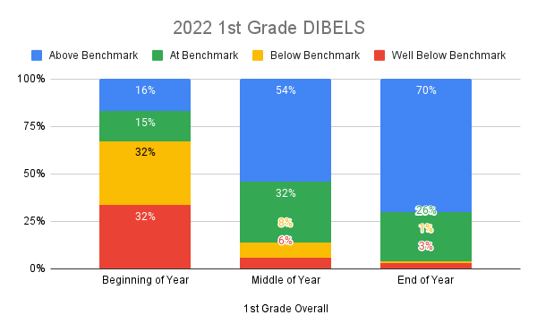
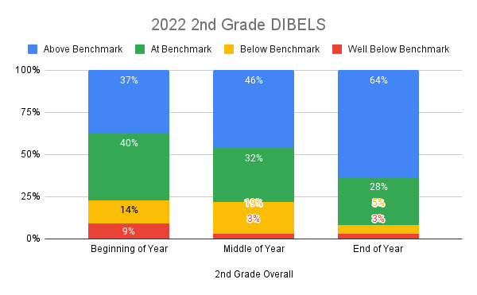
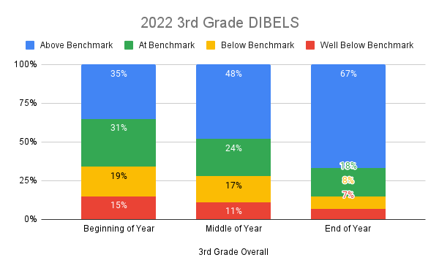
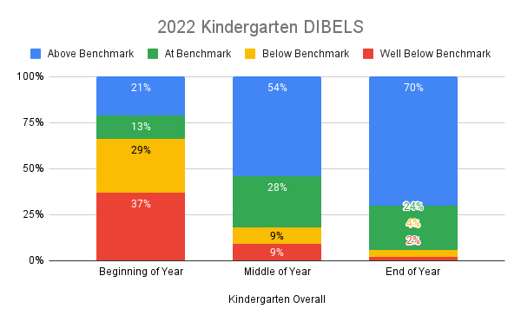
Kindergarten Overall | Beginning of Year | Middle of Year | End of Year
Well Below Benchmark | 37% | 9% | 2%
Below Benchmark | 29% | 9% | 4%
At Benchmark | 13% | 28% | 24%
Above Benchmark | 21% | 54% | 70%

1st Grade Overall | Beginning of Year | Middle of Year | End of Year
Well Below Benchmark | 32% | 6% | 3%
Below Benchmark | 32% | 8% | 1%
At Benchmark | 15% | 32% | 26%
Above Benchmark | 16% | 54% | 70%

2nd Grade Overall | Beginning of Year | Middle of Year | End of Year
Well Below Benchmark | 9% | 3% | 3%
Below Benchmark | 14% | 19% | 5%
At Benchmark | 40% | 32% | 28%
Above Benchmark | 37% | 46% | 64%

3rd Grade Overall | Beginning of Year | Middle of Year | End of Year
Well Below Benchmark | 15% | 11% | 7%
Below Benchmark | 19% | 17% | 8%
At Benchmark | 31% | 24% | 18%
Above Benchmark | 35% | 48% | 67%

2021
Kindergarten Overall | Beginning of Year | Middle of Year | End of Year
Well Below Benchmark | 42% | 7% | 2%
Below Benchmark | 26% | 17% | 4%
2021 Kindergarten DIBELS
At Benchmark | 13% | 38% | 27%
Above Benchmark | 19% | 39% | 66%

1st Grade Overall | Beginning of Year | Middle of Year | End of Year
Well Below Benchmark | 16% | 15% | 2%
Below Benchmark | 17% | 16% | 16%
At Benchmark | 21% | 31% | 27%
Above Benchmark | 47% | 38% | 56%

2nd Grade Overall | Beginning of Year | Middle of Year | End of Year
Well Below Benchmark |  | 5% | 8%
Below Benchmark |  | 15% | 16%
At Benchmark |  | 41% | 27%
Above Benchmark |  | 39% | 49%

3rd Grade Overall | Beginning of Year | Middle of Year | End of Year
Well Below Benchmark |  | 5% | 10%
Below Benchmark |  | 18% | 14%
At Benchmark |  | 39% | 16%
Above Benchmark |  | 37% | 60%

2021 2nd Grade DIBELS
 | Well Below Benchmark | Below Benchmark | At Benchmark | Above Benchmark
Beginning of Year
Middle of Year | 5% | 15% | 41% | 39%
End of Year | 8% | 16% | 27% | 49%
2021 3rd Grade DIBELS
 | Well Below Benchmark | Below Benchmark | At Benchmark | Above Benchmark
Beginning of Year
Middle of Year | 5% | 18% | 39% | 37%
End of Year | 10% | 14% | 16% | 60%

EOY
Kindergarten EOY Comparison
Kindergarten | 2021 | 2022 | 2023
Well Below Benchmark | 2% | 2% | 7%
Below Benchmark | 4% | 4% | 1%
At Benchmark | 27% | 24% | 15%
Above Benchmark | 66% | 70% | 77%

1st Grade | 2021 | 2022 | 2023
Well Below Benchmark | 2% | 3% | 4%
Below Benchmark | 16% | 1% | 8%
At Benchmark | 27% | 26% | 28%
Above Benchmark | 56% | 70% | 60%

2nd Grade | 2021 | 2022 | 2023
Well Below Benchmark | 8% | 3% | 9%
Below Benchmark | 16% | 5% | 3%
At Benchmark | 27% | 28% | 27%
Above Benchmark | 49% | 64% | 61%

3rd Grade | 2021 | 2022 | 2023
Well Below Benchmark | 10% | 7% | 10%
Below Benchmark | 14% | 8% | 10%
At Benchmark | 16% | 18% | 14%
Above Benchmark | 60% | 67% | 66%
1st Grade EOY Comparison
2nd Grade EOY Comparison
3rd Grade EOY Comparison

