Upper Case
0 | A | B | C | D | E | F | G | H | I | J | K | L | M | N | O | P | Q | R | S | T | U | V | W | X | Y | Z
Billings | 85.71% | 85.71% | 85.71% | 78.57% | 92.86% | 85.71% | 71.43% | 78.57% | 78.57% | 85.71% | 85.71% | 85.71% | 78.57% | 78.57% | 92.86% | 85.71% | 85.71% | 85.71% | 92.86% | 85.71% | 71.43% | 85.71% | 85.71% | 100.00% | 78.57% | 92.86%
McCullough | 66.67% | 73.33% | 60.00% | 66.67% | 73.33% | 66.67% | 46.67% | 60.00% | 60.00% | 66.67% | 66.67% | 60.00% | 53.33% | 60.00% | 66.67% | 66.67% | 60.00% | 80.00% | 53.33% | 73.33% | 53.33% | 66.67% | 73.33% | 80.00% | 66.67% | 66.67%
Scates | 100.00% | 100.00% | 88.89% | 88.89% | 83.33% | 88.89% | 83.33% | 83.33% | 83.33% | 77.78% | 88.89% | 83.33% | 88.89% | 83.33% | 100.00% | 83.33% | 83.33% | 88.89% | 88.89% | 83.33% | 83.33% | 83.33% | 83.33% | 100.00% | 77.78% | 100.00%
Sharpen | 88.89% | 66.67% | 83.33% | 61.11% | 66.67% | 61.11% | 55.56% | 61.11% | 50.00% | 72.22% | 77.78% | 61.11% | 55.56% | 61.11% | 88.89% | 77.78% | 66.67% | 72.22% | 83.33% | 66.67% | 77.78% | 77.78% | 77.78% | 77.78% | 66.67% | 77.78%
Smith | 88.24% | 94.12% | 94.12% | 94.12% | 94.12% | 88.24% | 88.24% | 88.24% | 88.24% | 94.12% | 100.00% | 100.00% | 94.12% | 94.12% | 100.00% | 94.12% | 100.00% | 100.00% | 94.12% | 100.00% | 88.24% | 88.24% | 100.00% | 100.00% | 88.24% | 94.12%
Spurgeon | 87% | 53.33% | 42.31% | 80.00% | 80.00% | 93.33% | 93.33% | 93.33% | 93% | 93.33% | 86.67% | 86.67% | 86.67% | 93.33% | 100% | 86.67% | 86.67% | 86.67% | 66.67% | 80.00% | 87% | 100.00% | 93.33% | 100.00% | 100.00% | 86.67%
Wyeth | 85.71% | 76.19% | 71.43% | 71.43% | 76.19% | 76.19% | 71.43% | 66.67% | 71.43% | 80.95% | 76.19% | 66.67% | 76.19% | 71.43% | 85.71% | 76.19% | 57.14% | 71.43% | 76.19% | 71.43% | 85.71% | 61.90% | 71.43% | 80.95% | 61.90% | 80.95%
Zuniga | 95.24% | 90.48% | 80.95% | 85.71% | 85.71% | 80.95% | 66.67% | 66.67% | 90.48% | 80.95% | 85.71% | 76.19% | 85.71% | 71.43% | 100.00% | 80.95% | 66.67% | 66.67% | 90.48% | 71.43% | 85.71% | 76.19% | 80.95% | 90.48% | 71.43% | 85.71%
Average | 87.14% | 79.98% | 75.84% | 78.31% | 79.91% | 80.14% | 72.08% | 74.74% | 76.92% | 81.47% | 83.45% | 77.46% | 77.38% | 76.67% | 91.77% | 81.43% | 75.77% | 81.45% | 80.73% | 78.99% | 79.03% | 79.98% | 83.23% | 91.15% | 76.41% | 85.59%
 | 80.27%
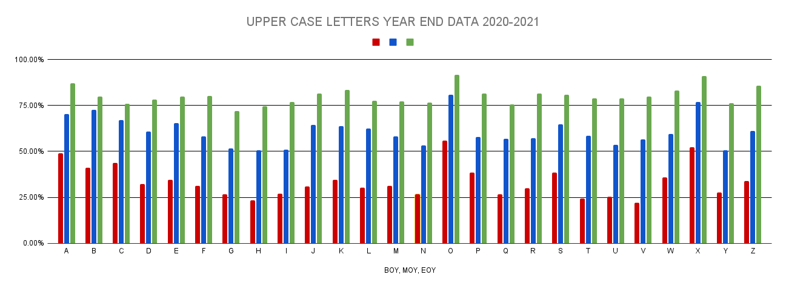

Current Reality: At MOY, Team SMART Goal: At EOY the average will be 70% upper case letter knowledge.

Teacher | Upper |  |  | Teacher | EOY-Upper
Billings | 53% |  |  | Billings | 77%
McCullough | 60% |  |  | McCullough | 70%
Scates | 67% |  |  | Scates | 88%
Sharpen | 49% |  |  | Sharpen | 71%
Smith | 75% |  |  | Smith | 94%
Spurgeon | 34% |  |  | Spurgeon | 88%
Wyeth | 62% |  |  | Wyeth | 73%
Zuniga | 42% |  |  | Zuniga | 80%
Average | 55% |  |  | Average | 80%

Lower Case
Teacher | a | b | c | d | e | f | g | h | i | j | k | l | m | n | o | p | q | r | s | t | u | v | w | x | y | z
Billings | 64.29% | 57.14% | 78.57% | 71.43% | 71.43% | 57.14% | 57.14% | 50.00% | 78.57% | 57.14% | 85.71% | 64.29% | 64.29% | 57.14% | 92.86% | 64.29% | 57.14% | 64.29% | 92.86% | 71.43% | 64.29% | 71.43% | 85.71% | 100.00% | 64.29% | 92.86%
McCullough | 60.00% | 53.33% | 60.00% | 46.67% | 73.33% | 53.33% | 40.00% | 53.33% | 46.67% | 60.00% | 66.67% | 46.67% | 53.33% | 46.67% | 73.33% | 40.00% | 26.67% | 53.33% | 53.33% | 66.67% | 46.67% | 46.67% | 73.33% | 86.67% | 66.67% | 60.00%
Scates | 88.89% | 83.33% | 94.44% | 72.22% | 88.89% | 77.78% | 72.22% | 88.89% | 88.89% | 88.89% | 100.00% | 77.78% | 77.78% | 77.78% | 100.00% | 88.89% | 83.33% | 83.33% | 88.89% | 83.33% | 77.78% | 88.89% | 83.33% | 100.00% | 83.33% | 88.89%
Sharpen | 61.11% | 55.56% | 72.22% | 50.00% | 72.22% | 50.00% | 50.00% | 55.56% | 55.56% | 50.00% | 66.67% | 50.00% | 50.00% | 66.67% | 61.11% | 44.44% | 50.00% | 50.00% | 66.67% | 44.44% | 27.78% | 61.11% | 61.11% | 83.33% | 66.67% | 72.22%
Smith | 82.35% | 82.35% | 94.12% | 82.35% | 88.24% | 88.24% | 88.24% | 82.35% | 94.12% | 88.24% | 100.00% | 94.12% | 88.24% | 82.35% | 100.00% | 94.12% | 70.59% | 82.35% | 94.12% | 88.24% | 88.24% | 88.24% | 100.00% | 100.00% | 88.24% | 94.12%
Spurgeon | 100.00% | 80.00% | 73.33% | 66.67% | 80.00% | 93.33% | 86.67% | 86.67% | 93% | 86.67% | 93.33% | 80.00% | 80.00% | 86.67% | 86.67% | 80.00% | 66.67% | 80.00% | 67% | 80.00% | 86.67% | 93.33% | 80.00% | 86.67% | 86.67% | 80.00%
Wyeth | 71.43% | 61.90% | 66.67% | 61.90% | 80.95% | 71.43% | 52.38% | 66.67% | 66.67% | 76.19% | 80.95% | 66.67% | 76.19% | 76.19% | 85.71% | 57.14% | 47.62% | 71.43% | 71.43% | 66.67% | 80.95% | 66.67% | 76.19% | 80.95% | 61.90% | 80.95%
Zuniga | 85.71% | 80.95% | 85.71% | 85.71% | 76.19% | 80.95% | 71.43% | 66.67% | 80.95% | 71.43% | 90.48% | 76.19% | 76.19% | 61.90% | 100.00% | 85.71% | 47.62% | 76.19% | 95.24% | 47.62% | 90.48% | 71.43% | 76.19% | 95.24% | 61.90% | 85.71%
Average | 76.72% | 69.32% | 78.13% | 67.12% | 78.91% | 71.53% | 64.76% | 68.77% | 75.59% | 72.32% | 85.48% | 69.46% | 70.75% | 69.42% | 86.69% | 69.32% | 56.20% | 70.12% | 78.65% | 68.55% | 70.35% | 73.47% | 79.48% | 91.61% | 72.46% | 81.84%
 | 73.73%

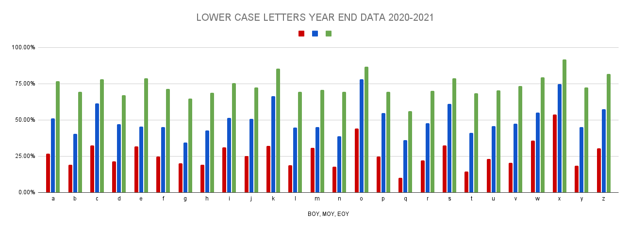

Current Reality: At MOY, Team SMART Goal: At EOY the average for lower case identification will be 70%.

Teacher | Lower |  | Teacher | EOY-Lower
Billings | 39% |  | Billings | 68%
McCullough | 51% |  | McCullough | 59%
Scates | 65% |  | Scates | 84%
Sharpen | 44% |  | Sharpen | 55%
Smith | 65% |  | Smith | 83%
Spurgeon | 84% |  | Spurgeon | 89%
Wyeth | 58% |  | Wyeth | 69%
Zuniga | 39% |  | Zuniga | 78%
Average | 56% |  | Average | 73%

Letter Sounds
Teacher | Aa | Bb | Cc | Dd | Ee | Ff | Gg | Hh | Ii | Jj | Kk | Ll | Mm | Nn | Oo | Pp | Qq | Rr | Ss | Tt | Uu | Vv | Ww | Xx | Yy | Zz
Billings | 92.86% | 100.00% | 92.86% | 92.86% | 92.86% | 100.00% | 78.57% | 92.86% | 85.71% | 85.71% | 100.00% | 100.00% | 92.86% | 92.86% | 92.86% | 100.00% | 85.71% | 92.86% | 100.00% | 92.86% | 85.71% | 92.86% | 92.86% | 92.86% | 92.86% | 100.00%
McCullough | 66.67% | 60.00% | 60.00% | 46.67% | 53.33% | 46.67% | 46.67% | 60.00% | 40.00% | 53.33% | 53.33% | 40.00% | 53.33% | 46.67% | 53.33% | 46.67% | 46.67% | 46.67% | 60.00% | 46.67% | 46.67% | 53.33% | 53.33% | 40.00% | 46.67% | 60.00%
Scates | 83.33% | 83.33% | 66.67% | 83.33% | 88.89% | 83.33% | 66.67% | 72.22% | 72.22% | 72.22% | 83.33% | 72.22% | 77.78% | 77.78% | 88.89% | 88.89% | 66.67% | 83.33% | 88.89% | 77.78% | 72.22% | 83.33% | 83.33% | 88.89% | 72.22% | 83.33%
Sharpen | 72.22% | 66.67% | 61.11% | 66.67% | 55.56% | 72.22% | 66.67% | 61.11% | 61.11% | 66.67% | 66.67% | 66.67% | 55.56% | 72.22% | 61.11% | 44.44% | 72.22% | 83.33% | 83.33% | 61.54% | 72.22% | 72.22% | 77.78% | 72.22% | 44.44% | 66.67%
Smith | 88.24% | 94.12% | 100.00% | 94.12% | 88.24% | 94.12% | 82.35% | 88.24% | 76.47% | 94.12% | 100.00% | 100.00% | 94.12% | 94.12% | 100.00% | 88.24% | 100.00% | 94.12% | 100.00% | 100.00% | 82.35% | 94.12% | 100.00% | 100.00% | 82.35% | 94.12% | 0.06666666667
Spurgeon | 100.00% | 80.00% | 66.67% | 80.00% | 80.00% | 93.33% | 86.67% | 86.67% | 80.00% | 80.00% | 86.67% | 86.67% | 86.67% | 86.67% | 93.33% | 80.00% | 80.00% | 93.33% | 66.67% | 80.00% | 93.33% | 86.67% | 80.00% | 100.00% | 93.33% | 80.00%
Wyeth | 80.95% | 71.43% | 66.67% | 71.43% | 71.43% | 66.67% | 66.67% | 61.90% | 66.67% | 71.43% | 76.19% | 61.90% | 71.43% | 71.43% | 80.95% | 52.38% | 61.90% | 61.90% | 71.43% | 57.14% | 71.43% | 71.43% | 71.43% | 57.14% | 61.90% | 66.67%
Zuniga | 85.71% | 90.48% | 95.24% | 100.00% | 90.48% | 85.71% | 95.24% | 76.19% | 90.48% | 80.95% | 85.71% | 85.71% | 95.24% | 80.95% | 100.00% | 85.71% | 61.90% | 85.71% | 90.48% | 76.19% | 90.48% | 80.95% | 90.48% | 95.24% | 76.19% | 85.71%
Average | 83.75% | 80.75% | 76.15% | 79.38% | 77.60% | 80.26% | 73.69% | 74.90% | 71.58% | 75.55% | 81.49% | 76.65% | 78.37% | 77.84% | 83.81% | 73.29% | 71.88% | 80.16% | 82.60% | 74.02% | 76.80% | 79.36% | 81.15% | 80.79% | 71.25% | 79.56%
 | 77.79%

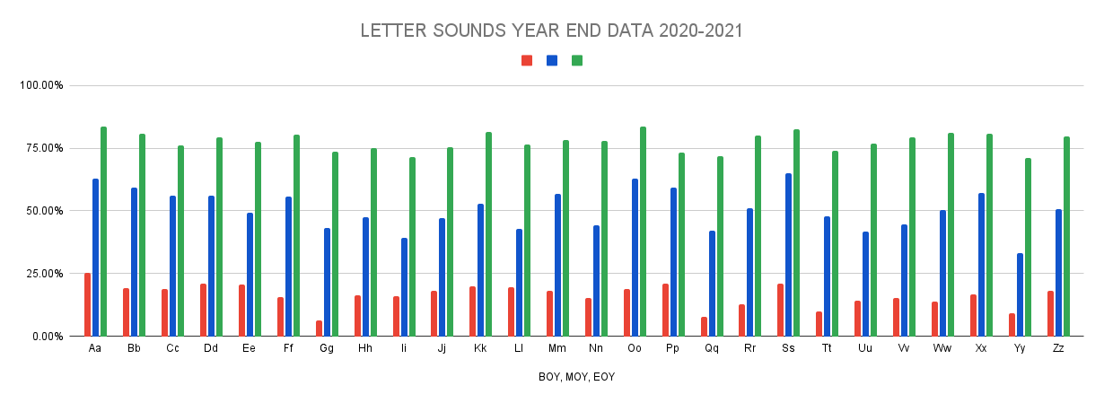

Current Reality: At MOY, Team SMART Goal: At EOY the average for letter sound identification will be 70%.

Teacher | Sounds |  |  | Teacher | EOY-Sounds
Billings | 36% |  |  | Billings | 91.00%
McCullough | 47% |  |  | McCullough | 55%
Scates | 53% |  |  | Scates | 78%
Sharpen | 45% |  |  | Sharpen | 67%
Smith | 56% |  |  | Smith | 93%
Spurgeon | 51% |  |  | Spurgeon | 82%
Wyeth | 53% |  |  | Wyeth | 65%
Zuniga | 40% |  |  | Zuniga | 88%
Average | 48% |  |  | Average | 77.38%

Math
Teacher | Colors | Shapes | Count Objects 1-10 | Rote Count to 30
Billings | 78.57% | 92.86% | 100.00% | 35.71%
McCullough | 73.33% | 46.67% | 73.33% | 33.33%
Scates | 94.44% | 94.44% | 83.33% | 44.44%
Sharpen | 86.36% | 76.66% | 72.33% | 38.88%
Smith | 100.00% | 100.00% | 100.00% | 82.35%
Spurgeon | 81.00% | 86.67% | 93.33% | 73.33%
Wyeth | 91.00% | 87.00% | 85.00% | 75.00%
Zuniga | 95.24% | 90.48% | 95.24% | 76.19%
Average | 87.49% | 84.35% | 87.82% | 57.41%
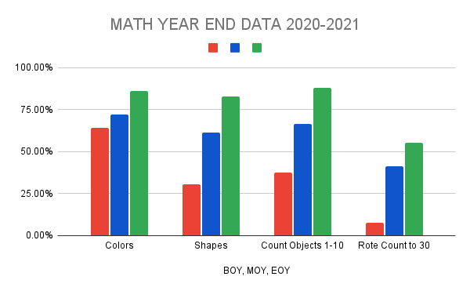

Current Reality: At MOY, colors: 72.03% /shapes 61.52% / count objects 66.35% / rote count to 30 37.59% Team SMART Goal: By the end of the year (EOY), 85% students will master colors, shapes, counting objects to 10 and 60% rote counting to 30.

Numerals
5.00% | 0 | 1 | 2 | 3 | 4 | 5 | 6 | 7 | 8 | 9
Billings | 85.71% | 100.00% | 100.00% | 92.86% | 85.71% | 78.57% | 78.57% | 78.57% | 71.43% | 71.43%
McCullough | 60.00% | 73.33% | 73.33% | 80.00% | 60.00% | 53.33% | 66.67% | 66.67% | 66.67% | 60.00%
Scates | 88.89% | 100.00% | 94.44% | 83.33% | 88.89% | 88.89% | 88.89% | 94.44% | 77.78% | 72.22%
Sharpen | 50.00% | 66.67% | 77.78% | 72.22% | 61.11% | 66.67% | 38.89% | 55.56% | 55.56% | 44.44%
Smith | 100.00% | 100.00% | 100.00% | 100.00% | 88.24% | 94.12% | 88.24% | 88.24% | 88.24% | 88.24%
Spurgeon | 80.00% | 100.00% | 93.33% | 100.00% | 100.00% | 10.00% | 100.00% | 100.00% | 86.67% | 80.00%
Wyeth | 90.48% | 95.24% | 90.48% | 95.24% | 90.48% | 80.95% | 85.71% | 80.95% | 85.71% | 76.19%
Zuniga | 100.00% | 90.48% | 90.48% | 85.71% | 85.71% | 90.48% | 85.71% | 90.48% | 95.24% | 90.48%
Average | 81.88% | 90.71% | 89.98% | 88.67% | 82.52% | 70.38% | 79.08% | 81.86% | 78.41% | 72.87%
 | 81.64%

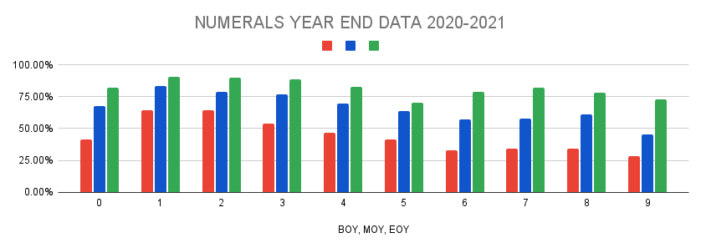
Smith ALL | 94.00%
Spurgeon | 73.33%
Scates | 90.00%
Wyeth | 92.00%
McCullough | 46.67%
Zuniga | 91%
Sharpen | 33.33%
Billings | 84.00%
 | 75.54%
This is still wrong....we are all using different data

Current Reality: At MOY, Team SMART Goal: By the end of the year 85% of all students will have mastered number recognition 0-9.

